Sheet1
Allocation of Your Tax Dollar

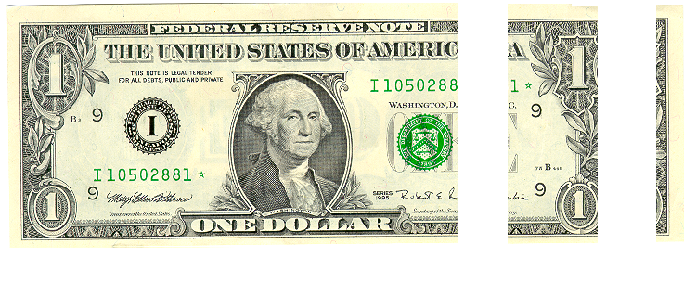

 | School | County | Township

Cents | $0.76 | $0.19 | $0.05

Millage | 23.66 | 5.80 | 1.61
YOUR DOLLAR
 | Cents
 | 0.76150627615
 | 0.18667524944
 | 0.051818474413

 |  | 23.66
 |  | 5.80
 |  | 1.61
 |  | 31.07

